Pharmacy sales by dispensary
Location | Sales | % of Sales | Location | # of locations | % of locations
Chain Drugstores | 109.4 | 38% | Chain Drugstores | 23,114 | 38%
Independent Drugstores | 42.1 | 15% | Independent Drugstores | 20,996 | 34%
Supermarkets with Pharmacies | 26.3 | 9% | Supermarkets with Pharmacies | 8,538 | 14%
Mail Pharmacies | 80.6 | 28% | Mail Pharmacies | 381 | 1%
Mass Merchants with Pharmacies | 28.7 | 10% | Mass Merchants with Pharmacies | 8,463 | 14%
Total | 287.1 | 100% | Total | 61,492 | 100%

Drivers of Growth
 | Pharmacy Sales
2002 | $182.70
Δ Mail Pharmacies | 48% | $47.95
Δ Chain drugstores | 31% | $30.97
Δ Mass merchants w/ pharmacy | 13% | $12.99
Δ Independent drugstores | 5% | $5.00
Δ Supermarkets w/ pharmacy | 3% | $3.00
2012 | $282.60 | $99.90

CAGR | 4.5%

$182.7
billion
$282.6
billion
Mail Pharmacies
billion
Chain drugstores
Mass merchants w/ pharmacies
Independent pharmacies
Supermarkets w/ pharmacies
48%
31%
13%
5%
3%
4.5% CAGR , or +$100 B
2002
2012

Change-in Rx by Format 08-12
Format | 2008-2012
Mass merchants w/ pharmacies | 9.8%
Chain drugstores | 7.7%
Supermarkets w/ pharmacies | 6.6%
Mail pharmacies | 0.4%
Independent drugstores | -2.3%
Total prescriptions | 4.6%

Source of Rx pmt 2012
Source | 2012
Private Health Insurance | 44%
Medicare | 26%
Medicaid | 8%
Out-of-Pocket | 18%
All other third-party payers | 4%

Source
 | Consumer Out of Pocket | Employer-Sponsored Private Insurance | Public Funds | Individually Purcased Private Insurance
1972 | 80% | 11% | 9% | 0%
1982 | 69% | 19% | 11% | 0%
1992 | 50% | 34% | 15% | 0%
2002 | 26% | 54% | 20% | 0%
2012 | 16% | 47% | 34% | 2%
2022E | 10% | 43% | 42% | 5%

Note:
1) Consumer out-of-pocket expenditures equal cash-pay prescriptions plus copayments and coinsurance
2) Includes Medicare, Medicaid, DoD, VA, and other public programs
3) Includes those with Medicare supplemental coverage and individually purchased plans, including coverage
purchased through the Marketplaces.

Corr retail and drug sales
Correlation: 0.009%

Note: U.S. drugstore revenues exclude mass merchant and supermarket pharmacies and mail pharmacies; however these data do include retail revenues from non-prescription
front-end sales
Source: US Census Bureau

correl: | 0.0093084129916

3 format Rx sales
 | 2002 | 2003 | 2004 | 2005 | 2006 | 2007 | 2008 | 2009 | 2010 | 2011 | 2012 | 2013E
Number of Equivalent Prescriptions (billions) | 3.5 | 3.6 | 3.7 | 3.7 | 3.9 | 4 | 4.1 | 4.2 | 4.2 | 4.2 | 4.3 | 4.4
% change Y/Y | 4.7% | 1.1% | 3.0% | 0.6% | 4.3% | 4.1% | 1.0% | 1.8% | 1.1% | 0.3% | 1.2% | 1.9%

 | Note: Includes retail, mail (actual scripts x 3), and specialty pharmacies
 | Source: IMS Health

Forecasted Drug expenditures
Prescription spending and NHE (billions)
 | Rx Spending Growth |  | National Health Expenditures (NHE) Growth |  | Rx as % of NHEs | Nominal U.S. GDP Growth
2013E | $271 |  | 2,919.1 |  | 9.3%
2014 | $305 | 12.5% | 3,080.0 | 5.5% | 9.9% | 3.9%
2015E | $328 | 7.6% | 3,243.5 | 5.3% | 10.1% | 3.2%
2016E | $343 | 4.5% | 3,402.6 | 4.9% | 10.1% | 4.7%
2017E | $364 | 6.2% | 3,586.6 | 5.4% | 10.2% | 5.3%
2018E | $385 | 5.7% | 3,785.5 | 5.5% | 10.2% | 5.3%
2019E | $409 | 6.1% | 4,020.0 | 6.2% | 10.2% | 5.2%
2020E | $435 | 6.5% | 4,273.8 | 6.3% | 10.2% | 5.0%
2021E | $464 | 6.6% | 4,542.5 | 6.3% | 10.2% | 4.9%
2022E | $495 | 6.7% | 4,825.4 | 6.2% | 10.3% | 4.7%
2023E | $528 | 6.7% | 5,119.4 | 6.1% | 10.3% | 4.5%
2024E | $564 | 6.8% | 5,425.1 | 6.0% | 10.4% | 4.5%

Prescription spending w/o ACA (billions)
 | Rx Spending w/o Impact of ACA |  | National Health Expenditures w/o Impact of ACA |  | Rx as % of NHEs w/o Impact of ACA
2006 | 224.1 |  | 2,163.3 |  | 10.4%
2007 | 235.9 | 5.3% | 2,298.3 | 6.2% | 10.3%
2008 | 242.6 | 2.8% | 2,406.6 | 4.7% | 10.1%
2009 | 254.6 | 4.9% | 2,501.2 | 3.9% | 10.2%
2010 | 257.4 | 1.1% | 2,598.6 | 3.9% | 9.9%
2011 | 262.3 | 1.9% | 2,698.5 | 3.8% | 9.7%
2012E | 259.9 | -0.9% | 2,805.3 | 4.0% | 9.3%
2013E | 261.5 | 0.6% | 2,909.5 | 3.7% | 9.0%
2014 | 267.4 | 2.3% | 3,040.8 | 4.5% | 8.8%
2015E | 281.1 | 5.1% | 3,194.4 | 5.1% | 8.8%
2016E | 297.8 | 5.9% | 3,378.4 | 5.8% | 8.8%
2017E | 316.5 | 6.3% | 3,588.0 | 6.2% | 8.8%
2018E | 337 | 6.5% | 3,824.3 | 6.6% | 8.8%
2019E | 359.7 | 6.7% | 4,077.3 | 6.6% | 8.8%
2020E | 384.4 | 6.9% | 4,349.9 | 6.7% | 8.8%
2021E | 411 | 6.9% | 4,633.9 | 6.5% | 8.9%
2022E | 439.7 | 7.0% | 4,942.2 | 6.7% | 8.9%

Source | http://www.cms.gov/Research-Statistics-Data-and-Systems/Statistics-Trends-and-Reports/NationalHealthExpendData/Downloads/Proj2012.pdf

 | National Health Expenditures (NHE) w/ Impact of ACA | Hospital Care | Physician and Clinical Services | Rx Spending |  |  |  | National Health Expenditures (NHE) w/ Impact of ACA | Hospital Care % of NHE | Physician and Clinical Services % of NHE | Rx Spending % of NHE
2006 | 2163.3 | 651.9 | 438.8 | #REF! |  |  | 2006 | 2163.3 | 30.1% | 20.3% | #REF!
2007 | #REF! | 692.5 | 461.8 | #REF! |  |  | 2007 | #REF! | #REF! | #REF! | #REF!
2008 | #REF! | 729.2 | 486.4 | #REF! |  |  | 2008 | #REF! | #REF! | #REF! | #REF!
2009 | #REF! | 777.9 | 503.2 | #REF! |  |  | 2009 | #REF! | #REF! | #REF! | #REF!
2010 | #REF! | 815.9 | 519.1 | #REF! |  |  | 2010 | #REF! | #REF! | #REF! | #REF!
2011 | #REF! | 850.6 | 541.1 | #REF! |  |  | 2011 | #REF! | #REF! | #REF! | #REF!
2012E | #REF! | 892.4 | 566.5 | #REF! |  |  | 2012E | #REF! | #REF! | #REF! | #REF!
2013E | 2,919.1 | 929 | 588.8 | $271 |  |  | 2013E | 2919.1 | 31.8% | 20.2% | 9.3%
2014E | 3,080.0 | 973 | 630.7 | $305 |  |  | 2014E | 3080 | 31.6% | 20.5% | 9.9%
2015E | 3,243.5 | 1027.5 | 664.9 | $328 |  |  | 2015E | 3243.5 | 31.7% | 20.5% | 10.1%
2016E | 3,402.6 | 1091.6 | 698 | $343 |  |  | 2016E | 3402.6 | 32.1% | 20.5% | 10.1%
2017E | 3,586.6 | 1158.1 | 736.5 | $364 |  |  | 2017E | 3586.6 | 32.3% | 20.5% | 10.2%
2018E | 3,785.5 | 1232.3 | 782.8 | $385 |  |  | 2018E | 3785.5 | 32.6% | 20.7% | 10.2%
2019E | 4,020.0 | 1310.7 | 834.6 | $409 |  |  | 2019E | 4020 | 32.6% | 20.8% | 10.2%
2020E | 4,273.8 | 1397.4 | 890.7 | $435 |  |  | 2020E | 4273.8 | 32.7% | 20.8% | 10.2%
2021E | 4,542.5 | 1485.2 | 948.9 | $464 |  |  | 2021E | 4542.5 | 32.7% | 20.9% | 10.2%
2022E | 4,825.4 | 1581.3 | 1012 | $495 |  |  | 2022E | 4825.4 | 32.8% | 21.0% | 10.3%

 | $2,662.10 | 929.4 | 573.2 | #REF!

NHEs | $2,662.1
Hospital Care | 929.4 | 34.9%
Physician and Clinical Services | 573.2 | 21.5%
Rx Spending | #REF! | #REF!

Traditional vs Specialty Costs
Traditional Rx costs

2011A | 0.1%
2012A | -1.5%
2013A | 2.4%
2014E | 2.0%
2015E | 1.9%
2016E | 1.9%

Specialty Rx costs

2011A | 17.1%
2012A | 18.4%
2013A | 19.0%
2014E | 14.1%
2015E | 18.0%
2016E | 18.2%

*2011, 2012, 2013 are actuals

http://www.express-scripts.com/research/research/dtr/archive/2012/dtrFinal.pdf

http://lab.express-scripts.com/drug-trend-report/trend-forecast/forecast-traditional-therapy-classes

TOP 10 spec pharma utilization
http://lab.express-scripts.com/drug-trend-report/therapy-class-review/cost-and-utilization-for-top-10-specialty-therapy-classes

Specialty Drug Spend
Specialty as % of Drug Spend

2010 | 18%
2020 | 43%

spec pharm rx vs cost
Prescription Drug Utilization in 2012
 | Specialty Drugs | Traditional Drugs
Prescriptions written | 1% | 99%
Prescription drug expenditures | 25% | 75%

Source: National Center for Policy Analysis

Pharmacy Specialty
Pharmacy Revenues from Specialty Pharmaceuticals, by Company, 2013
billions

Pharmacy Revenues from Specialty Pharmaceuticals in 2013: $63B
All other retail, mail, and specialty pharmacies | $20.10
Express Scripts | $17.60
CVS Caremark | $16.00
Walgreens | $6.30
Diplomat | $1.40
Omnicare | $1.20
Avella | $0.60

Drug Approvals Share
Share of Drug Approvals

 | Conventional Drug Approvals | Specialty Drug Approvals
2005 | 22 | 6
2006 | 22 | 7
2007 | 18 | 8
2008 | 23 | 8
2009 | 24 | 10
2010 | 12 | 14
2011 | 17 | 18
2012 | 21 | 22

Source: "Medical Cost Trend: Behind the Numbers, 2014," PricewaterhouseCoopers Health Research Institute, June 2013, Figure 6

Rx Demographics
Age in Yrs | Population (MM's) | % w/ Rx Expense | Median Annual Expense per Person1 | Share of U.S. Rx Expenditures
< 5 | 21.3 | 48% | $32 | 1% | Census Year | Age 60-64 | Age 65-74 | Age 75-84 | Age 85+ | Age 60 and older | Age 65 and older | Total, all ages
5 to 17 | 53.6 | 43% | $75 | 6% | 1900 | 1791363 | 2186767 | 771369 | 122362 | 4871861 | 3080498 | 75994575
18 to 44 | 111.1 | 53% | $151 | 19% | 1910 | 2267150 | 2793231 | 989056 | 167237 | 6216674 | 3949524 | 91972266
45 to 64 | 81.5 | 74% | $533 | 39% | 1920 | 2982548 | 3463511 | 1259339 | 210365 | 7915763 | 4933215 | 105710620
>= 65 | 59.2 | 90% | $1,387 | 35% | 1930 | 3751221 | 4720609 | 1641066 | 272130 | 10385026 | 6633805 | 122775046
Total | 326.7 | 62% | $151 | 100% | 1940 | 4728340 | 6376189 | 2278373 | 364752 | 13747654 | 9019314 | 131669275
 |  |  |  |  | 1950 | 6059475 | 8414885 | 3277751 | 576901 | 18329012 | 12269537 | 150697361 |  | 2012
 |  |  |  |  | 1960 | 7142452 | 10996842 | 4633486 | 929252 | 23702032 | 16559580 | 179323175 |  | 41200000 | 37080000
 |  |  |  |  | 1970 | 8616784 | 12435456 | 6119145 | 1510901 | 28682286 | 20065502 | 203211926 |  | 90%
 |  |  |  |  | 1980 | 10087621 | 15580605 | 7728755 | 2240067 | 35637048 | 25549427 | 226545805 |  | 2050
 |  |  |  |  | 1990 | 10616167 | 18106558 | 10055108 | 3080165 | 41857998 | 31241831 | 248709873 |  |  | 79692275.7 | 42612275.7 |  |  |  |  |  |  |  |  |  | 4%
 |  |  |  |  | 2000 | 10805447 | 18390986 | 12361180 | 4239587 | 45797200 | 34991753 | 281421906 |  |  |  | $1,387
 |  |  |  |  | 2010 | 16757689 | 21462599 | 13014814 | 5751299 | 56986401 | 40228712 | 310232863 |  | incremental sales $ |  | $59,103,226,396 |  |  |  | Rx Spending Growth w/ Impact of ACA ($-billions) |  |  | Age 65 and older (MM's) | 90% w/ Rx Expense (MM's) | Annual Rx Expense* | Rx Spending ($-billions) | % of U.S. Population | % of Rx Spending in U.S.
 |  |  |  |  | 2020 | 21008851 | 32312186 | 15895265 | 6597019 | 75813321 | 54804470 | 341386665 |  |  |  |  |  |  |  | 2012E | $261 | -0.8% | 41 | 37 | $1,387 | $51 | 13% | 20%
 |  |  |  |  | 2030 | 20079650 | 38784325 | 24562604 | 8744986 | 92171565 | 72091915 | 373503674 |  | Baseline | $287,000,000,000 | Incremental Sales | CAGR per decade |  | 1 | 2013E | $262 | 0.6% |  |  | grows by 5% y/y
 |  |  |  |  | 2040 | 20512884 | 36895223 | 30145467 | 14197701 | 101751275 | 81238391 | 405655295 | 8 | 2020 |  | $16,982,459,901 | 0.721% | 6% | 2 | 2014E | $276 | 5.2%
 |  |  |  |  | 2050 | 23490423 | 40112637 | 29393295 | 19041041 | 112037396 | 88546973 | 439010253 | 18 | 2030 |  | $38,562,377,495 | 0.703% | 13% | 3 | 2015E | $295 | 6.9%
 |  |  |  |  |  |  |  |  |  |  |  |  | 28 | 2040 |  | $49,979,923,485 | 0.575% | 17% | 4 | 2016E | $312 | 5.7%
 |  |  |  |  |  | Age 65 and older as % of U.S. population |  |  |  |  |  |  | 38 | 2050 |  | $59,103,226,396 | 0.494% | 21% | 5 | 2017E | $331 | 6.1%
 |  |  |  |  | 1990 | 13% |  |  |  |  |  |  |  |  |  |  |  |  | 6 | 2018E | $351 | 6.0%
 |  |  |  |  | 2000 | 12% |  |  |  |  |  |  |  |  |  |  |  |  | 7 | 2019E | $373 | 6.3%
 |  |  |  |  | 2010 | 13% |  |  |  |  |  |  |  |  |  |  |  |  | 8 | 2020E | $398 | 6.8% | 55 | 49 | $2,049 | $101 | 16% | 25%
 |  |  |  |  | 2020E | 16%
 |  |  |  |  | 2030E | 19% |  |  |  |  |  |  |  |  |  |  |  |  |  |  | CAGR | 5% |  |  | Incremental Contribution | 36% | 300bps | 500bps
 |  |  |  |  | 2040E | 20%
 |  |  |  |  | 2050E | 20%

 |  |  |  |  |  |  |  |  |  |  |  |  |  |  |  |  |  |  |  |  |  | Traditional Drugs
 |  |  |  |  |  |  |  |  |  |  |  |  |  |  |  |  |  |  |  | 2012E | 5% | 21%
 |  |  |  |  |  |  |  |  |  |  |  |  |  |  |  |  |  |  |  | 2020E | 10% | 30%

 |  |  |  |  |  |  |  | http://www.aoa.gov/Aging_Statistics/future_growth/future_growth.aspx

Independent pharmacy
Number of Independent Pharmacies 1990-2012
thousands

year | pharmacies
1990 | 32.5
1991 | 30.5
1992 | 27.3
1993 | 26.2
1994 | 24.9
1995 | 23.1
1996 | 22
1997 | 20.8
1998 | 20.6
1999 | 20.7
2000 | 20.9
2001 | 20.6
2002 | 19.7
2003 | 20.6
2004 | 20.8
2005 | 20.6
2006 | 21.9
2007 | 21.6
2008 | 20.3
2009 | 20.8
2010 | 20.8
2011 | 20.6
2012 | 21.0
 |  | -35%

Equivalent Mail Prescr
Equivalent Mail Prescriptions, Annual Total and Growth, 2002-2012
billions
Total Equivalent Mail Prescriptions and Growth, 2002-2012
year | Number of Equivalent Mail Prescriptions (billions) | % change from previous year
2002 | 0.54 | 0.081
2003 | 0.62 | 0.086
2004 | 0.67 | 0.132
2005 | 0.72 | 0.042
2006 | 0.74 | 0.04
2007 | 0.8 | 0.108
2008 | 0.81 | 0.019
2009 | 0.81 | 0
2010 | 0.82 | 0.011
2011 | 0.81 | -0.015
2012 | 0.82 | 0.008

Generic copay adv for mail
Average Consumer Copayment for a Generic Rx, 2013
Retail (30-day) | $11
Retail (90-day) | $8
Mail (90-day) | $7

Percentage of AWP Billed to Employer, 2013
Retail (30-day) | 35%
Retail (90-day) | 37%
Mail (90-day) | 39%

Retail Clinics
Number of U.S. Retail Clinics, 2004-2016

year
2004 | 50
2005 | 200
2006 | 900
2007 | 1,100
2008 | 1,100
2009 | 1,100
2010 | 1,200
2011 | 1,350
2012 | 1,400
2013E | 1,750
2014E | 2,250
2015E | 2,900

2013 vs 2012 drug trend
2013 vs 2012 Total Drug Trend
 | 2012 | 2013
Traditional | -1.2% | -0.7%
Specialty | 21.0% | 14.3%
Total | 2.6% | 2.4%

2014 Catamaran drug trends

2013 Overall Drug Tend
Utilization | 0.5%
Drug Mix | -3.1%
Quantity | 0.4%
Unit Cost | 4.5%
Total | 2.4%

2013 Traditional Drug Tend
Utilization | 0.7%
Drug Mix | -5.0%
Quantity | 0.6%
Unit Cost | 3.0%
Total | -0.7%

2013 Specialty Drug Tend
Utilization | 3.0%
Drug Mix | 0.3%
Quantity | -0.3%
Unit Cost | 10.3%
Total | 14.3%

Average Cost of a Brand Specialty Rx

 | 2012 | 2013 | Y/Y growth
 | $2,450 | $2,860 | 17%

Projected GDR
86.7% - 90.0%

86% - 88.5%

84.9% - 86.2%

Lovaza
Namenda
Welchol
Abilify
Zyvox
Epipen
Aggrenox
Gleevec
Androgel 1%
Avodart
Tracleer
Celebrex
Crestor
Advair Diskus
Benicar/Benicar-HCT
Seroquel XR
Zetia
Azor
Relpax

Lunesta
Restasis
Nexium
Copaxone
Actonel
Nasonex
Lumigan
Intuniv

2014
2015
2016

Select generic launches for Catamaran BOB

PBM mkt share
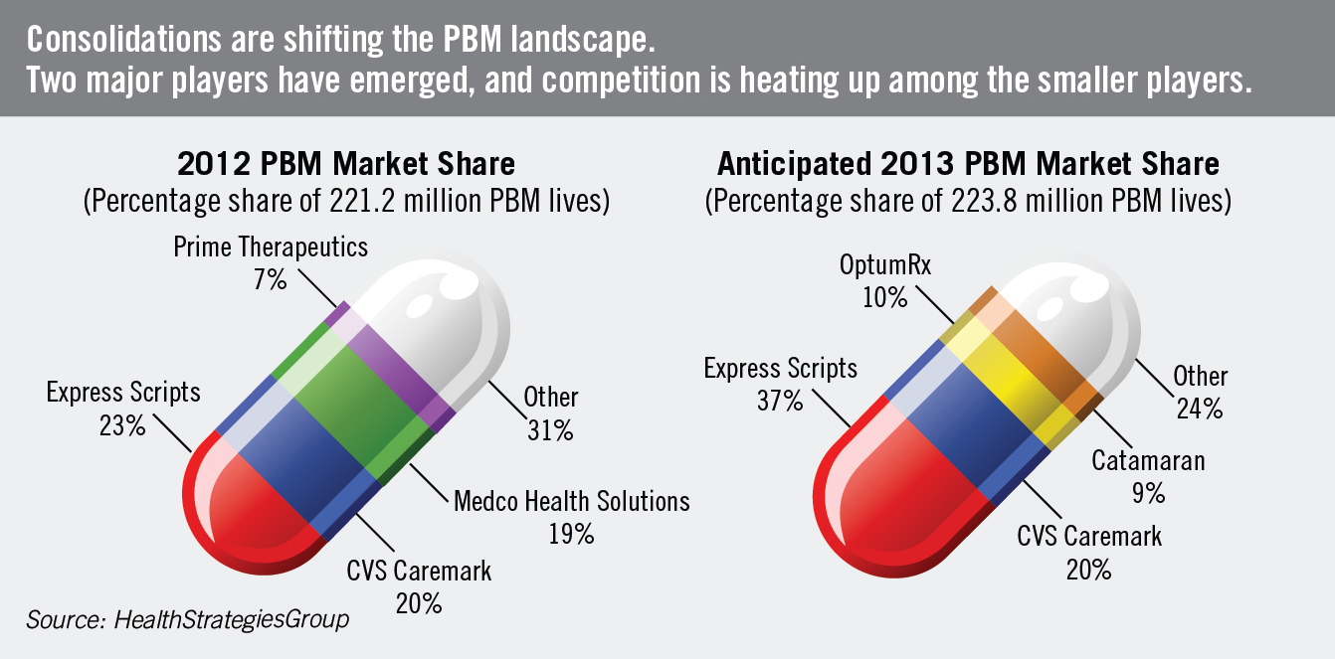

http://www.workforce.com/articles/19960-the-pill-game

Fast Spec Rx
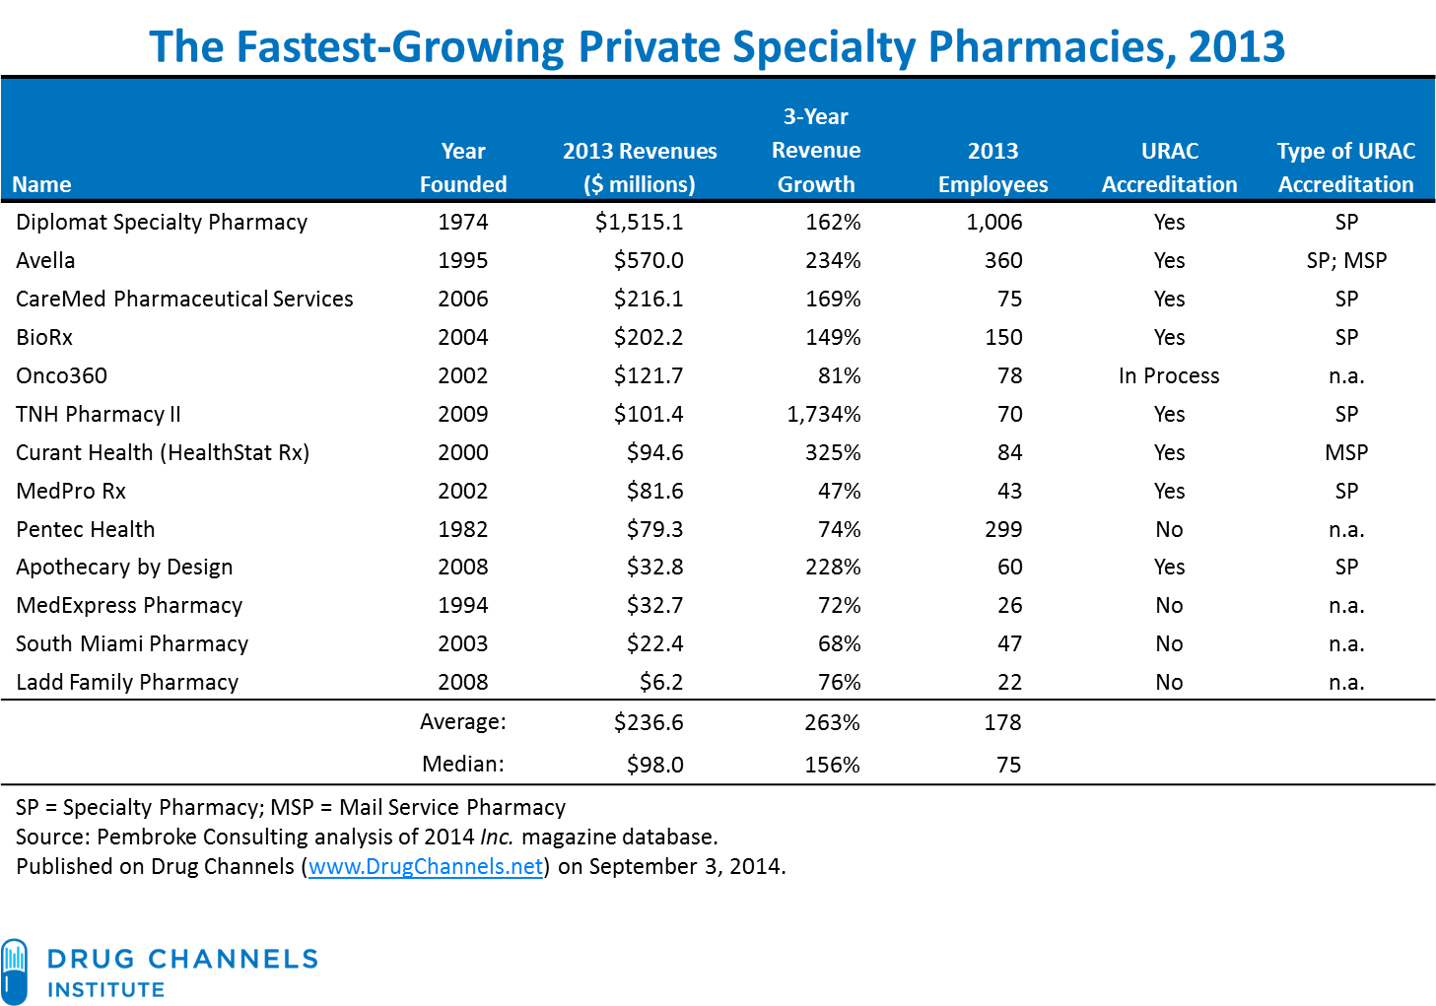
The Fastest-Growing Private Specialty Pharmacies, 2013
Name | Year Founded | 2013 Revenues ($ millions) | 3-Year Revenue Growth | 2013 Employees | URAC Accreditation | Type of URAC Accreditation
Diplomat Specialty Pharmacy | 1974 | $1,515.1 | 162% | 1,006 | Yes | SP
Avella | 1995 | $570.0 | 234% | 360 | Yes | SP; MSP
CareMed Pharmaceutical Services | 2006 | $216.1 | 169% | 75 | Yes | SP
BioRx | 2004 | $202.2 | 149% | 150 | Yes | SP
Onco360 | 2002 | $121.7 | 81% | 78 | In Process | n.a.
TNH Pharmacy II | 2009 | $101.4 | 1734% | 70 | Yes | SP
Curant Health (HealthStat Rx) | 2000 | $94.6 | 325% | 84 | Yes | MSP
MedPro Rx | 2002 | $81.6 | 47% | 43 | Yes | SP
Pentec Health | 1982 | $79.3 | 74% | 299 | No | n.a.
Apothecary by Design | 2008 | $32.8 | 228% | 60 | Yes | SP
MedExpress Pharmacy | 1994 | $32.7 | 72% | 26 | No | n.a.
South Miami Pharmacy | 2003 | $22.4 | 68% | 47 | No | n.a.
Ladd Family Pharmacy | 2008 | $6.2 | 76% | 22 | No | n.a.
 | Average: | $236.6 | 263% | 178
 | Median: | $98.0 | 156% | 75
SP = Specialty Pharmacy; MSP = Mail Service Pharmacy
Source: Pembroke Consulting analysis of 2014 Inc. magazine database
Published on Drug Channels (www.DrugChannels.net) on September 3, 2014

Rebates by Employer
 | Large Employer | Small Employer
Flat guaranteed amount per script/brand script/formulary brand script | 42.3% | 23.8%
Percentage share of actual rebates without guarantee | 17.7% | 25.6%
Percentage share of actual rebates with minimum guarantee | 27.7% | 8.3%
Do not receive rebates | 6.2% | 23.8%

Same Store Rx
 |  | RAD | CVS | WAG
 | 0 | 1.6% | 9.2% | -9.9%
 | 0 | 2.2% | 9.2% | -9.5%
 | 0 | 2.6% | 9.2% | -9.3%
 | 0 | 3.8% | 9.8% | -8.4%
 | 0 | 2.6% | 9.8% | -8.9%
 | 0 | 2.9% | 9.8% | -9.6%
 | 0 | 4.5% | 11.1% | -7.4%
 | 0 | 4.5% | 11.1% | -6.7%
 | 0 | 4.4% | 11.1% | -6.8%
 | 0 | 4.7% | 10.0% | -5.4%
 | 0 | 2.2% | 10.0% | -2.6%
 | 0 | 4.4% | 10.0% | 0.0%
 | 0 | 5.0% | 4.6% | 11.6%
 | 0 | 0.3% | 4.6% | 6.5%
 | 0 | 0.3% | 4.6% | 7.4%
 | 0 | -0.2% | 5.0% | 6.3%
 | 0 | -0.3% | 5.0% | 7.5%
 | 0 | -0.2% | 5.0% | 7.3%
 | 0 | 0.4% | 4.5% | 7.3%
 | 0 | -0.2% | 4.5% | 7.4%
 | 0 | 0.9% | 4.5% | 6.7%
 | 0 | 1.1% | 3.8% | 7.1%
 | 0 | 0.1% | 3.8% | 3.7%
 | 0 | -2.0% | 3.8% | 2.4%
 | 0 | -2.2% | 2.1% | -0.4%
 | 0 | -1.4% | 2.1% | 2.2%
 | 0 | 1.1% | 2.1% | 4.2%
 | 0 | 2.3% | 3.9% | 4.3%
 | 0 | 3.2% | 3.9% | 5.6%
 | 0 | 3.5% | 3.9% | 4.7%
 | 0 | 3.9% |  | 4.3%
 | 0 | 3.7% |  | 3.2%
 | CVS | RAD | WAG | calendar impact | adj
2012-01-31 | 9.2% | 1.6% | -8.6% | 1.3% | -9.9% | 0
2012-02-29 | 9.2% | 2.2% | -9.5% | 0.0% | -9.5% | 0
2012-03-31 | 9.2% | 2.6% | -11.4% | -2.1% | -9.3% | 0
2012-04-30 | 9.8% | 3.8% | -7.8% | 0.6% | -8.4% | 0
2012-05-31 | 9.8% | 2.6% | -7.6% | 1.3% | -8.9% | 0
2012-06-30 | 9.8% | 2.9% | -11.9% | -2.3% | -9.6% | 0
2012-07-31 | 11.1% | 4.5% | -5.2% | 2.2% | -7.4% | 0
2012-08-31 | 11.1% | 4.5% | -6.8% | -0.1% | -6.7% | 0
2012-09-30 | 11.1% | 4.4% | -10.3% | -3.5% | -6.8% | 0
2012-10-31 | 10.0% | 4.7% | -1.8% | 3.6% | -5.4% | 0
2012-11-30 | 10.0% | 2.2% | -2.9% | -0.3% | -2.6% | 0
2012-12-31 | 10.0% | 4.4% | -2.3% | -2.3% | 0.0% | 0
2013-01-31 | 4.6% | 5.0% | 13.6% | 2.0% | 11.6% | 0
2013-02-28 | 4.6% | 0.3% | 6.5% | 0.0% | 6.5% | 0
2013-03-31 | 4.6% | 0.3% | 4.0% | -3.4% | 7.4% | 0
2013-04-30 | 5.0% | -0.2% | 9.7% | 3.4% | 6.3% | 0
2013-05-31 | 5.0% | -0.3% | 7.1% | -0.4% | 7.5% | 0
2013-06-30 | 5.0% | -0.2% | 5.0% | -2.3% | 7.3% | 0
2013-07-31 | 4.5% | 0.4% | 9.5% | 2.2% | 7.3% | 0
2013-08-31 | 4.5% | -0.2% | 5.6% | -1.8% | 7.4% | 0
2013-09-30 | 4.5% | 0.9% | 9.6% | 2.9% | 6.7% | 0
2013-10-31 | 3.8% | 1.1% | 6.5% | -1% | 7.1% | 0
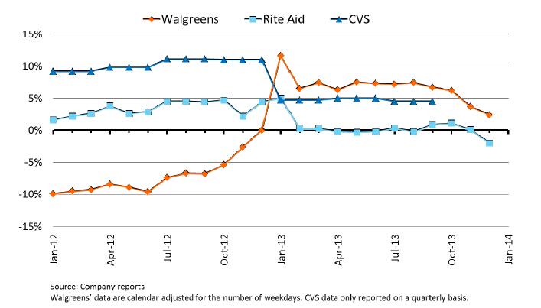
2013-11-30 | 3.8% | 0.1% | 1.4% | -2.3% | 3.7% | 0 | pembroke:
2013-12-31 | 3.8% | -2.0% | 5.3% | 2.9% | 2.4% | 0
2014-01-31 | 2.1% | -2.2% | -0.8% | -0.4% | -0.4% | 0
2014-02-28 | 2.1% | -1.4% | 2.2% | 0.0% | 2.2% | 0
2014-03-31 | 2.1% | 1.1% | 5.1% | 0.9% | 4.2% | 0
2014-04-30 | 3.9% | 2.3% | 3.5% | -0.8% | 4.3% | 0
2014-05-31 | 3.9% | 3.2% | 3.5% | -2.1% | 5.6% | 0
2014-06-30 | 3.9% | 3.5% | 7.3% | 2.6% | 4.7% | 0
2014-07-31 |  | 3.9% | 3.7% | -0.6% | 4.3% | 0
2014-08-31 |  | 3.7% | 1.1% | -2.1% | 3.2% | 0

 | 140 | 850

AWP billed to employers
Percentage of AWP Billed to Employers for Brand-Name Prescriptions, Retail vs. Mail, 1999-2013

 | Percentage of AWP
 | Community Retail Pharmacy | Mail Pharmacy
1999 | 87% | 83%
2000 | 87% | 82%
2001 | 86% | 82%
2002 | 86% | 80%
2003 | 86% | 80%
2004 | 85% | 79%
2005-6 | 85% | 78%
2007 | 84% | 77%
2008 | 84% | 77%
2009 | 84% | 76%
2010 | 83% | 77%
2011 | 84% | 77%
2012 | 84% | 77%
2013 | 84% | 78%

AWP = Average wholesale price
Source: Prescription Drug Benefit Cost and Plan Design Report, Pharmacy Benefit Management Institute, various years.

Pharmacy Gross Margin & Sales
 | 1993 | 1994 | 1995 | 1996 | 1997 | 1998 | 1999 | 2000 | 2001 | 2002 | 2003 | 2004 | 2005 | 2006 | 2007 | 2008 | 2009 | 2010 | 2011 | 2012
Pharmacies and Drugstores gross margin | 26.5% | 26.1% | 25.1% | 25.7% | 26.7% | 26.6% | 25.6% | 25.5% | 25.8% | 25.9% | 26.5% | 26.2% | 25.6% | 25.3% | 23.9% | 23.3% | 23.6% | 23.8% | 23.5% | 24.2%
 | 26.5 | 26.1 | 25.1 | 25.7 | 26.7 | 26.6 | 25.6 | 25.5 | 25.8 | 25.9 | 26.5 | 26.2 | 25.6 | 25.3 | 23.9 | 23.3 | 23.6 | 23.8 | 23.5 | 24.2

MM's | 1993 | 1994 | 1995 | 1996 | 1997 | 1998 | 1999 | 2000 | 2001 | 2002 | 2003 | 2004 | 2005 | 2006 | 2007 | 2008 | 2009 | 2010 | 2011 | 2012
Pharmacies and Drugstores gross profit | $21,149 | $21,429 | $21,549 | $23,567 | $26,345 | $28,873 | $31,013 | $33,375 | $36,611 | $39,932 | $43,791 | $44,362 | $45,814 | $48,323 | $48,313 | $49,204 | $51,292 | $53,034 | $54,596 | $55,775
Y/Y growth in gross profit |  | 1.3% | 0.6% | 9.4% | 11.8% | 9.6% | 7.4% | 7.6% | 9.7% | 9.1% | 9.7% | 1.3% | 3.3% | 5.5% | 0.0% | 1.8% | 4.2% | 3.4% | 2.9% | 2.2%
 | 1993 | 1994 | 1995 | 1996 | 1997 | 1998 | 1999 | 2000 | 2001 | 2002 | 2003 | 2004 | 2005 | 2006 | 2007 | 2008 | 2009 | 2010 | 2011 | 2012
Pharmacies and Drugstores sales | 77,791 | 79,707 | 81,994 | 85,840 | 91,810 | 98,823 | 108,415 | 121,282 | 130,857 | 141,772 | 153,936 | 165,524 | 169,231 | 179,170 | 191,018 | 202,284 | 211,035 | 217,630 | 222,802 | 232,003
 |  | 2.5% | 2.9% | 4.7% | 7.0% | 7.6% | 9.7% | 11.9% | 7.9% | 8.3% | 8.6% | 7.5% | 2.2% | 5.9% | 6.6% | 5.9% | 4.3% | 3.1% | 2.4% | 4.1%

MM's

Pharmacy Gross Margins 2012
CVS retail | 30.0%
RAD | 26.0%
WAG | 28.4%
Industry Average | 24.2%

Note: Gross margins for companie's respective FY12

